ACI 318-14
@
@ | LOSA MACIZA DE CONCRETO
@
@
@ |  |  | P.V (Kg/m3) | Espesor (m) | P.E (Kg/m2)
@ | Concreto reforzado |  | 2400 | 0.13 | 312
@ |  |  |  | Suma | 312
@
@ | D | = | 312 | kg/m2
@ | L | = | 250 | kg/m2
@ |  |  | 562
@
@
@
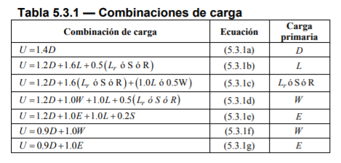
@
@ |  |  |  |  | U = | 436.8
@ |  |  |  |  | U = | 774.4 | kg/m2
@ |  |  |  |  | U = | 624.4
@ |  |  |  |  | U = | 624.4
@ |  |  |  |  | U = | 624.4
@ |  |  |  |  | U = | 936.4
@ |  |  |  |  | U = | 280.8
 |  |  |  |  | U = | 280.8

